Assy BOM
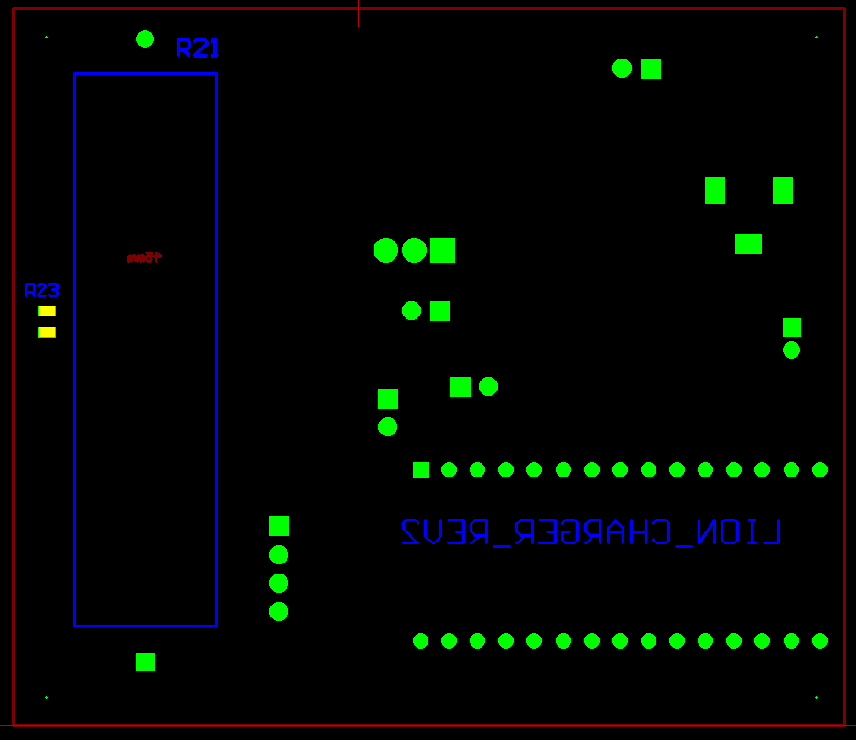
BOM FOR ASSEMBLY |  |  |  |  |  |  |  |  | Referral: | 0 |  |  |  |  |  |  |  |  |  |  | NA,0
 |  | IPC Class | Class 2 |  |  | "POU LEGEND" "Not Installed (DNI)" "Top & Back(SMT)" "HAND Place (HP)" "SLIDE & WAVE (PTH)" "Hand Solder (HS)" "Final Assembly (FA)" "Pack" "Cable Assm (CA)" |  |  |  |  |  | Notes for Purchasing |  |  |  |  |  | Total Components: | Components |  | Read_Desc_DB,1
Job #: | 8858L | Cust | 3M |  |  |  |  |  |  |  |  |  |  |  |  |  |  | SMT: | 1 |  | Write_Desc_DB, 2
Job Rev: | A | Cust P/N | Shelf Charger |  |  |  |  |  |  |  |  |  |  |  |  |  |  | PTH: | 0 |  | Read_POU_DB, 3
Last Rev: | 2026-06-29 | Cust Rev: | A |  |  |  |  |  |  |  |  |  |  |  |  |  |  | Cable Assembly: | 0 |  | Write_POU_DB, 4
 |  |  |  |  |  |  |  |  |  |  |  |  |  |  |  |  |  | Hand Assembly: | 0 |  | Read_JOB_Note_DB, 5
Notes: | Part Supply:ACI <Lead Free/Water Soluble> |  |  |  |  |  |  |  |  |  |  | PER ASSY COST TO PURCHASE |  |  | 0.000 |  |  | Final Assembly: | 0 |  | Write_JOB_Note_DB, 6
 |  |  |  |  |  |  |  |  |  |  |  | TOTAL PURCHASE COST |  |  | 0.000 |  |  | TOTAL: | 1 |  | Read_MPN_NOTE_DB, 7
 |  |  |  |  |  |  |  | Build Qty |  |  |  |  |  |  |  |  |  |  |  |  | Write_MPN_NOTE_DB, 8
Line | DESC | MAN | MPN | ACI PN | QTY | POU | LOC | 10 | STK | ORD | ORDD | PAID | DIST | PO | DUE | REC | NOTES | purchasing notes | vendor p/n | cust p/n
5 | CAP CER 33PF 100V C0G/NPO 0805 | YAGEO | CC0805JPNPO0BN330 | 8858L-5 | 1 | SMT | C1 | 0.067 |  | 12
10 | CAP CER 0.1UF 50V X7R 0603 | Samsung Electro-Mechanics | CL10B104KB8NNNC | 8858L-10 | 8 | SMT | C9, C10, C11, C13, C14, C15, C17, C12 | 0.018 |  | 180
15 | CAP CER 10UF 25V X5R 0805 | Murata Electronics | GRM21BR61E106KA73K | 8858L-15 | 4 | SMT | C4, C5, C6, C8 | 0.064 |  | 48
20 | TVS DIODE 15VWM 24.4VC PMDU | Rohm Semiconductor | SMF15VTR | 8858L-20 | 1 | SMT | D1 | 0.362 |  | 12
25 | LED RED DIFFUSED 0603 SMD | Würth Elektronik | 150060RS55040 | 8858L-25 | 1 | SMT | D3 | 0.173 |  | 12
30 | LED GREEN DIFFUSED 0603 SMD | Würth Elektronik | 150060GS55040 | 8858L-30 | 1 | SMT | D4 | 0.216 |  | 12
35 | CONN PWR JACK 2X5.5MM SOLDER | Same Sky (Formerly CUI Devices) | PJ-102AH | 8858L-35 | 1 | PTH | J2 | 0.616 |  | 12
40 | CONN HEADER SMD 6POS 2MM | Molex | 5600200620 | 8858L-40 | 1 | SMT | J5 | 1.110 |  | 12
45 | IC BATT CHG LI-ION 1-2CEL 20VQFN | Texas Instruments | BQ24104RHLT | 8858L-45 | 1 | QFN | U1 | 5.050 |  | 10
50 | CONN HEADER R/A 3POS 2.54MM | Adam Tech | PH1RB-03-UA | 8858L-50 | 1 | PTH | J6 | 0.088 |  | 12
55 | CONN HEADER VERT 3POS 2.54MM | Würth Elektronik | 61300311121 | 8858L-55 | 1 | PTH | J7 | 0.113 |  | 12
60 | CONN HEADER VERT 2POS 2.54MM | Würth Elektronik | 61300211121 | 8858L-60 | 4 | PTH | J8, J9, J10, J11 | 0.094 |  | 48
65 | FIXED IND 10UH 1.84A 49 MOHM SMD | Sumida | CDRH74NP-100MC-B | 8858L-65 | 1 | SMT | L1 | 0.652 |  | 12
70 | RES 1.5K OHM 1% 1/10W 0603 | YAGEO | RC0603FR-071K5L | 8858L-70 | 4 | SMT | R2, R3, R18, R11 | 0.014 |  | 140
75 | RES 442K OHM 1% 1/10W 0603 | YAGEO | RC0603FR-07442KL | 8858L-75 | 1 | SMT | R8 | 0.011 |  | 110
80 | RES 9.31K OHM 1% 1/10W 0603 | YAGEO | RC0603FR-079K31L | 8858L-80 | 1 | SMT | R5 | 0.014 |  | 110
85 | RES 10K OHM 1% 1/10W 0603 | KOA Speer Electronics, Inc. | RK73H1JTTD1002F | 8858L-85 | 14 | SMT | R1, R6, R7, R9, R14, R15, R16, R17, R12, R22, R25, R19, R10, R28 | 0.013 |  | 240
90 | RES 0.1 OHM 1% 1/2W 1206 | Vishay Dale | RCWE1206R100FKEA | 8858L-90 | 1 | SMT | R4 | 0.185 |  | 12
95 | MOSFET P-CH 30V 18A PPAK 1212-8 | Vishay Siliconix | SIS413DN-T1-GE3 | 8858L-95 | 2 | SMT | Q1, Q4 | 0.793 |  | 24
100 | MOSFET N-CH 55V 47A D2PAK | Infineon Technologies | IRLZ44NSTRLPBF | 8858L-100 | 1 | SMT | Q6 | 1.620 |  | 12
105 | THERMISTOR 0805 10K/3435 | Ohmite | TX08F103F3435ER | 8858L-105 | 2 | SMT | R23, R26 | 0.101 |  | 24
110 | RES 100 OHM 1% 1/10W 0603 | YAGEO | RC0603FR-07100RL | 8858L-110 | 1 | SMT | R13 | 0.014 |  | 110
115 | RES 1K OHM 1% 1/10W 0603 | Stackpole Electronics Inc | RMCF0603FT1K00 | 8858L-115 | 1 | SMT | R20 | 0.012 |  | 110
120 | RES 0.1 OHM 1% 2W 2512 | Stackpole Electronics Inc | CSRN2512FTR100 | 8858L-120 | 1 | SMT | R24 | 0.320 |  | 12
125 | 2.54MM MALE HEADER 1X4PIN, STRAI | Same Sky (Formerly CUI Devices) | SSK01-MPH-254-A4 | 8858L-125 | 1 | PTH | J12 | 0.107 |  | 12
130 | RES 1.1K OHM 1% 1/10W 0603 | Vishay Dale | CRCW06031K10FKEAC | 8858L-130 | 1 | SMT | R27 | 0.016 |  | 110
135 | CAP CER 1000PF 50V X7R 0603 | KEMET | C0603C102K5RACTU | 8858L-135 | 1 | SMT | C16 | 0.029 |  | 110
140 | LED BLUE CLEAR 0603 SMD | Würth Elektronik | 150060BS75000 | 8858L-140 | 1 | SMT | D2 | 0.165 |  | 12
145 | LED AMBER CLEAR 0603 SMD {POLARITY MARKING CATHODE} | Wurth | 150060AS75000 | 8858L-145 | 1 | SMT | D5 | 0.151 |  | 12
150 | MOSFET N-CH 60V 280MA SOT23-3 | Diotec Semiconductor | 2N7002 | 8858L-150 | 3 | SMT | Q2, Q3, Q5 | 0.093 |  | 36
155 | RES 30 OHM 5% 15W AXIAL | Ohmite | TUW15J30RE | 8858L-155 | 0 | DNI | R21 | 0.000 |  | 0
160 | CONN HEADER R/A 2POS 2MM | TE Connectivity AMP Connectors | 292253-2 | 8858L-160 | 1 | PTH | J6 | 0.201 |  | 12
165 | PIN- & FEMALE HEADER FEMALE THR | Assmann WSW Components | A-BL254-EG-Z15D | 8858L-165 | 0 | DNI | MD1 | 0.580 |  | 0
170 | CONFORMAL COATING | Humiseal | 1A33 | 8858L-170 | 1 | FA | PCB | 0.629 |  | 12
175 | LABEL POLY WHT 0.50" W X 0.44" L {SEE LABEL LOCATION BELOW} | PANDUIT | C050X044YJT | 8858L-175 | 1 | FA | PCBA | 0.010 |  | 110

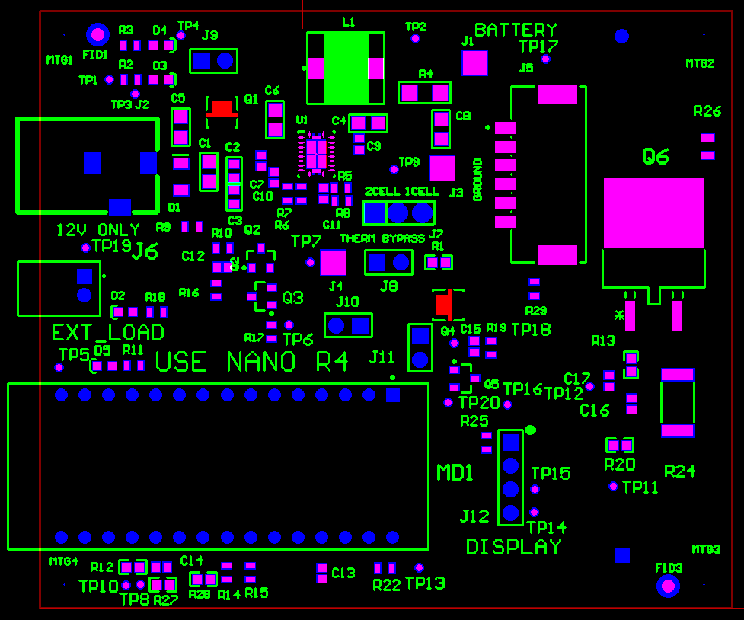

Red Areas denote where to mask for coating on both sides.

